DASHBOARD
SALES & PROFIT DASHBOARD

TOTAL SALES
TOTAL PROFIT
SALES BY STATE

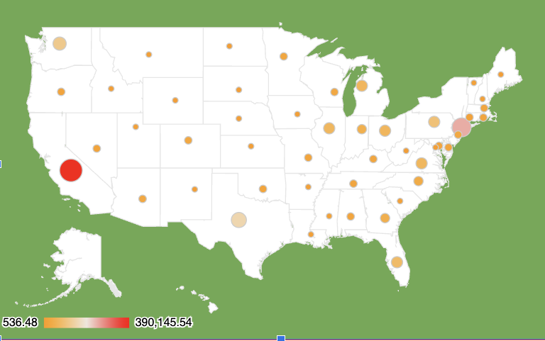
$1,928,888
$247,961
CUSTOMER COUNT BY YEAR
 | Total
2021 | 595
2022 | 573
2023 | 638
2024 | 513

PROFIT BY YEAR
 | Office Supplies | Furniture | Technology
2021 | $22,593 | $5,470 | $21,493
2022 | $25,100 | $3,015 | $33,504
2023 | $35,053 | $6,960 | $39,774
2024 | $25,465 | $2,444 | $27,091

TOP 5 CUSTOMER PROFIT
 | Total
Tamara Chand | $8,981
Raymond Buch | $6,939
Sanjit Chand | $5,757
Adrian Barton | $5,203
Martinez | $3,883

SALES BY CATEGORY
Phones | $279,464
Chairs | $277,059
Storage | $190,680
Binders | $169,090
Tables | $167,673
Machines | $166,778
Accessories | $139,242
Copiers | $118,968
Bookcases | $101,388
Appliances | $87,846
Furnishings | $76,223
Paper | $64,530
Supplies | $38,555
Art | $23,146
Envelopes | $14,717
Labels | $11,046
Fasteners | $2,485

SALES BY MONTH
 | Total
Jan | $94,925
Feb | $59,640
Mar | $205,006
Apr | $137,481
May | $155,029
Jun | $152,719
Jul | $147,238
Aug | $159,044
Sep | $219,783
Oct | $122,546
Nov | $234,013
Dec | $241,464

